Cust Count Tot Pay
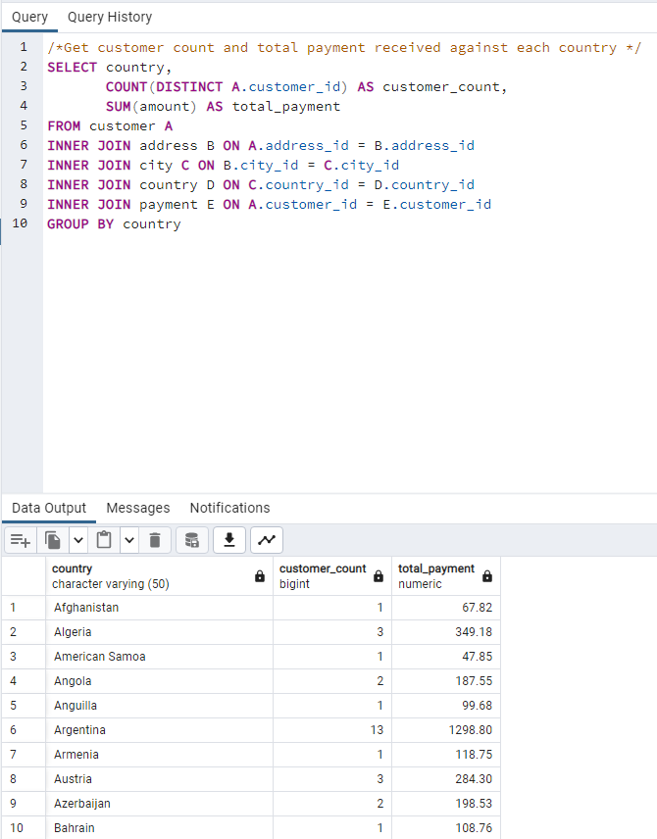
 |  | country | customer_count | total_payment
/*Get customer count and total payment received against each country */ |  | Afghanistan | 1 | 67.82
SELECT country, |  | Algeria | 3 | 349.18
 | COUNT(DISTINCT A.customer_id) AS customer_count, | American Samoa | 1 | 47.85
 | SUM(amount) AS total_payment | Angola | 2 | 187.55
FROM customer A |  | Anguilla | 1 | 99.68
INNER JOIN address B ON A.address_id = B.address_id |  | Argentina | 13 | 1298.8
INNER JOIN city C ON B.city_id = C.city_id |  | Armenia | 1 | 118.75
INNER JOIN country D ON C.country_id = D.country_id |  | Austria | 3 | 284.3
INNER JOIN payment E ON A.customer_id = E.customer_id |  | Azerbaijan | 2 | 198.53
GROUP BY country |  | Bahrain | 1 | 108.76
 |  | Bangladesh | 3 | 353.19
 |  | Belarus | 2 | 271.36
 |  | Bolivia | 2 | 178.56
 |  | Brazil | 28 | 2919.19
 |  | Brunei | 1 | 107.66
 |  | Bulgaria | 2 | 194.52
 |  | Cambodia | 2 | 179.51
 |  | Cameroon | 2 | 186.49
 |  | Canada | 5 | 559.7
 |  | Chad | 1 | 122.72
 |  | Chile | 3 | 303.34
 |  | China | 53 | 5251.03
 |  | Colombia | 6 | 661.54
 |  | Congo, The Democratic Republic of the | 2 | 168.58
 |  | Czech Republic | 1 | 132.72
 |  | Dominican Republic | 3 | 304.26
 |  | Ecuador | 3 | 369.18
 |  | Egypt | 6 | 659.48
 |  | Estonia | 1 | 105.72
 |  | Ethiopia | 1 | 91.77
 |  | Faroe Islands | 1 | 96.76
 |  | Finland | 1 | 78.79
 |  | France | 4 | 334.12
 |  | French Guiana | 1 | 97.8
 |  | French Polynesia | 2 | 205.52
 |  | Gambia | 1 | 114.73
 |  | Germany | 7 | 741.24
 |  | Greece | 2 | 204.54
 |  | Greenland | 1 | 119.72
 |  | Holy See (Vatican City State) | 1 | 146.68
 |  | Hong Kong | 1 | 104.76
 |  | Hungary | 1 | 111.71
 |  | India | 60 | 6034.78
 |  | Indonesia | 14 | 1352.69
 |  | Iran | 8 | 877.96
 |  | Iraq | 1 | 111.73
 |  | Israel | 4 | 379.13
 |  | Italy | 7 | 753.26
 |  | Japan | 31 | 3122.51
 |  | Kazakstan | 2 | 192.51
 |  | Kenya | 2 | 245.49
 |  | Kuwait | 1 | 106.75
 |  | Latvia | 2 | 249.43
 |  | Liechtenstein | 1 | 99.74
 |  | Lithuania | 1 | 63.78
 |  | Madagascar | 1 | 92.79
 |  | Malawi | 1 | 121.73
 |  | Malaysia | 3 | 330.23
 |  | Mexico | 30 | 2984.82
 |  | Moldova | 1 | 127.66
 |  | Morocco | 3 | 274.35
 |  | Mozambique | 3 | 315.25
 |  | Myanmar | 2 | 179.53
 |  | Nauru | 1 | 143.7
 |  | Nepal | 1 | 93.83
 |  | Netherlands | 5 | 557.73
 |  | New Zealand | 1 | 85.77
 |  | Nigeria | 13 | 1314.92
 |  | North Korea | 1 | 107.71
 |  | Oman | 2 | 161.56
 |  | Pakistan | 5 | 473.84
 |  | Paraguay | 3 | 273.4
 |  | Peru | 4 | 407.01
 |  | Philippines | 20 | 2219.7
 |  | Poland | 8 | 786.16
 |  | Puerto Rico | 2 | 224.48
 |  | Romania | 2 | 218.42
 |  | Runion | 1 | 211.55
 |  | Russian Federation | 28 | 2765.62
 |  | Saint Vincent and the Grenadines | 1 | 64.82
 |  | Saudi Arabia | 5 | 452.94
 |  | Senegal | 1 | 95.76
 |  | Slovakia | 1 | 80.77
 |  | South Africa | 11 | 1069.46
 |  | South Korea | 5 | 527.77
 |  | Spain | 5 | 513.8
 |  | Sri Lanka | 1 | 103.73
 |  | Sudan | 2 | 202.51
 |  | Sweden | 1 | 139.67
 |  | Switzerland | 3 | 248.41
 |  | Taiwan | 10 | 1155.1
 |  | Tanzania | 3 | 322.22
 |  | Thailand | 3 | 401.08
 |  | Tonga | 1 | 64.84
 |  | Tunisia | 1 | 73.78
 |  | Turkey | 15 | 1498.49
 |  | Turkmenistan | 1 | 126.74
 |  | Tuvalu | 1 | 93.78
 |  | Ukraine | 6 | 675.53
 |  | United Arab Emirates | 3 | 305.25
 |  | United Kingdom | 9 | 850.96
 |  | United States | 36 | 3685.31
 |  | Venezuela | 7 | 632.43
 |  | Vietnam | 6 | 676.45
 |  | Virgin Islands, U.S. | 1 | 121.69
 |  | Yemen | 4 | 473.93
 |  | Yugoslavia | 2 | 233.49
 |  | Zambia | 1 | 121.7

Top 10 countries
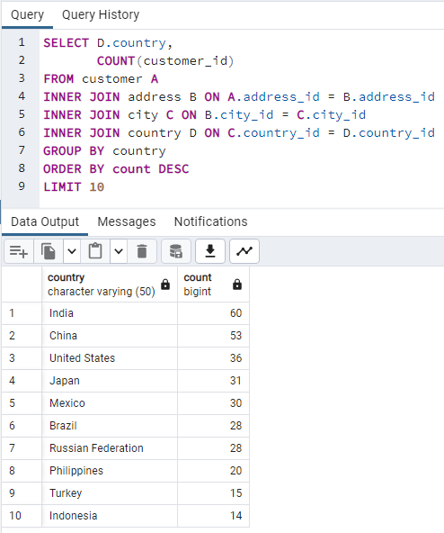
 |  | country | count
SELECT D.country, |  | India | 60
 | COUNT(customer_id) | China | 53
FROM customer A |  | United States | 36
INNER JOIN address B ON A.address_id = B.address_id |  | Japan | 31
INNER JOIN city C ON B.city_id = C.city_id |  | Mexico | 30
INNER JOIN country D ON C.country_id = D.country_id |  | Brazil | 28
GROUP BY country |  | Russian Federation | 28
ORDER BY count DESC |  | Philippines | 20
LIMIT 10 |  | Turkey | 15
 |  | Indonesia | 14

Top 10 Cities
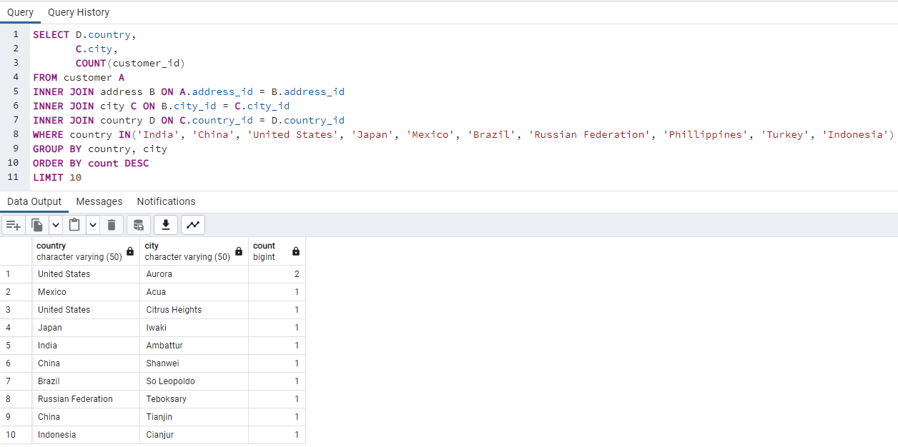
 |  | country | city | count
SELECT D.country, |  | United States | Aurora | 2
 | C.city, | Mexico | Acua | 1
 | COUNT(customer_id) | United States | Citrus Heights | 1
FROM customer A |  | Japan | Iwaki | 1
INNER JOIN address B ON A.address_id = B.address_id |  | India | Ambattur | 1
INNER JOIN city C ON B.city_id = C.city_id |  | China | Shanwei | 1
INNER JOIN country D ON C.country_id = D.country_id |  | Brazil | So Leopoldo | 1
WHERE country IN('India', 'China', 'United States', 'Japan', 'Mexico', 'Brazil', 'Russian Federation', 'Phillippines', 'Turkey', 'Indonesia') |  | Russian Federation | Teboksary | 1
GROUP BY country, city |  | China | Tianjin | 1
ORDER BY count DESC |  | Indonesia | Cianjur | 1
LIMIT 10

Top 5 customers
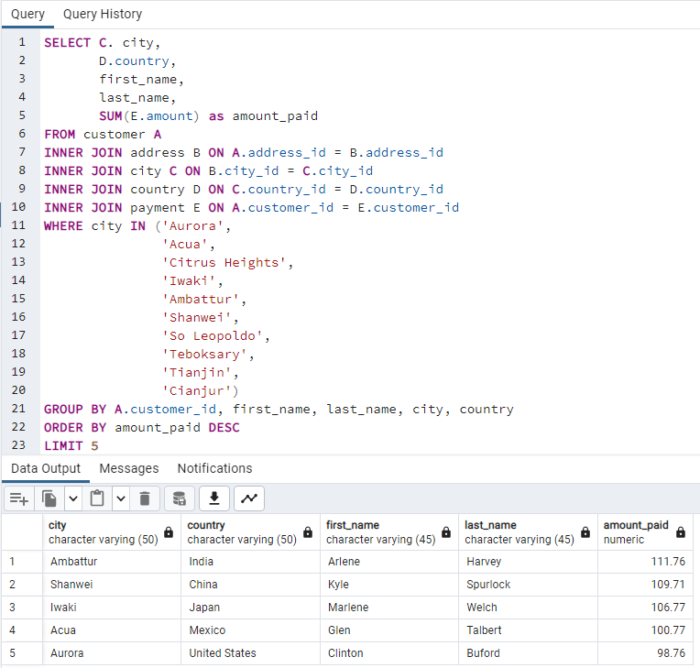
 |  |  | city | country | first_name | last_name | amount_paid
SELECT C. city, |  |  | Ambattur | India | Arlene | Harvey | $111.76
D.country, |  |  | Shanwei | China | Kyle | Spurlock | $109.71
 | first_name, |  | Iwaki | Japan | Marlene | Welch | $106.77
 | last_name, |  | Acua | Mexico | Glen | Talbert | $100.77
 | SUM(E.amount) as amount_paid |  | Aurora | United States | Clinton | Buford | $98.76
FROM customer A
INNER JOIN address B ON A.address_id = B.address_id
INNER JOIN city C ON B.city_id = C.city_id
INNER JOIN country D ON C.country_id = D.country_id
INNER JOIN payment E ON A.customer_id = E.customer_id
WHERE city IN ('Aurora',
'Acua',
 |  | 'Citrus Heights',
 |  | 'Iwaki',
 |  | 'Ambattur',
 |  | 'Shanwei',
 |  | 'So Leopoldo',
 |  | 'Teboksary',
 |  | 'Tianjin',
 |  | 'Cianjur')
GROUP BY A.customer_id, first_name, last_name, city, country
ORDER BY amount_paid DESC
LIMIT 5

Descriptive
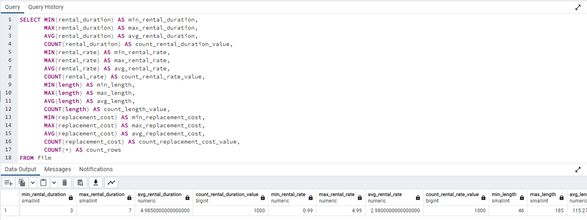
 |  | min_rental_duration | max_rental_duration | avg_rental_duration | count_rental_duration_value | min_rental_rate | max_rental_rate | avg_rental_rate | count_rental_rate_value | min_length | max_length | avg_length | count_length_value | min_replacement_cost | max_replacement_cost | avg_replacement_cost | count_replacement_cost_value | count_rows
 |  | 3 | 7 | 5 | 1000 | 0.99 | 4.99 | 2.98 | 1000 | 46 | 185 | 115.272 | 1000 | 9.99 | 29.99 | 19.984 | 1000 | 1000

SELECT MIN(rental_duration) AS min_rental_duration,
 | MAX(rental_duration) AS max_rental_duration,
 | AVG(rental_duration) AS avg_rental_duration,
 | COUNT(rental_duration) AS count_rental_duration_value,
 | MIN(rental_rate) AS min_rental_rate,
 | MAX(rental_rate) AS max_rental_rate,
 | AVG(rental_rate) AS avg_rental_rate,
 | COUNT(rental_rate) AS count_rental_rate_value,
 | MIN(length) AS min_length,
 | MAX(length) AS max_length,
 | AVG(length) AS avg_length,
 | COUNT(length) AS count_length_value,
 | MIN(replacement_cost) AS min_replacement_cost,
 | MAX(replacement_cost) AS max_replacement_cost,
 | AVG(replacement_cost) AS avg_replacement_cost,
 | COUNT(replacement_cost) AS count_replacement_cost_value,
 | COUNT(*) AS count_rows
FROM film

Top 10 films
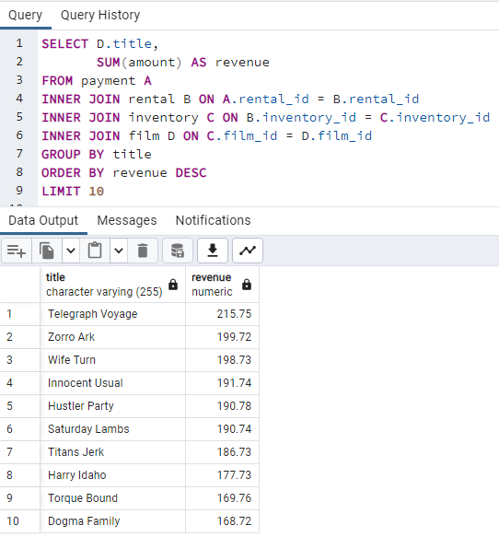
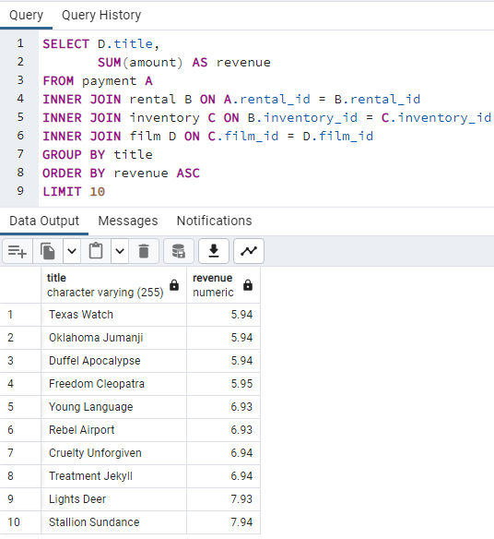
Best |  |  | Worst

 | SELECT D.title, |  |  | SELECT D.title,
 |  | SUM(amount) AS revenue |  |  | SUM(amount) AS revenue
 | FROM payment A |  |  | FROM payment A
 | INNER JOIN rental B ON A.rental_id = B.rental_id |  |  | INNER JOIN rental B ON A.rental_id = B.rental_id
 | INNER JOIN inventory C ON B.inventory_id = C.inventory_id |  |  | INNER JOIN inventory C ON B.inventory_id = C.inventory_id
 | INNER JOIN film D ON C.film_id = D.film_id |  |  | INNER JOIN film D ON C.film_id = D.film_id
 | GROUP BY title |  |  | GROUP BY title
 | ORDER BY revenue DESC |  |  | ORDER BY revenue ASC
 | LIMIT 10 |  |  | LIMIT 10

 | title | revenue |  | title | revenue
 | Telegraph Voyage | 215.75 |  | Texas Watch | 5.94
 | Zorro Ark | 199.72 |  | Oklahoma Jumanji | 5.94
 | Wife Turn | 198.73 |  | Duffel Apocalypse | 5.94
 | Innocent Usual | 191.74 |  | Freedom Cleopatra | 5.95
 | Hustler Party | 190.78 |  | Young Language | 6.93
 | Saturday Lambs | 190.74 |  | Rebel Airport | 6.93
 | Titans Jerk | 186.73 |  | Cruelty Unforgiven | 6.94
 | Harry Idaho | 177.73 |  | Treatment Jekyll | 6.94
 | Torque Bound | 169.76 |  | Lights Deer | 7.93
 | Dogma Family | 168.72 |  | Stallion Sundance | 7.94

Top Genre
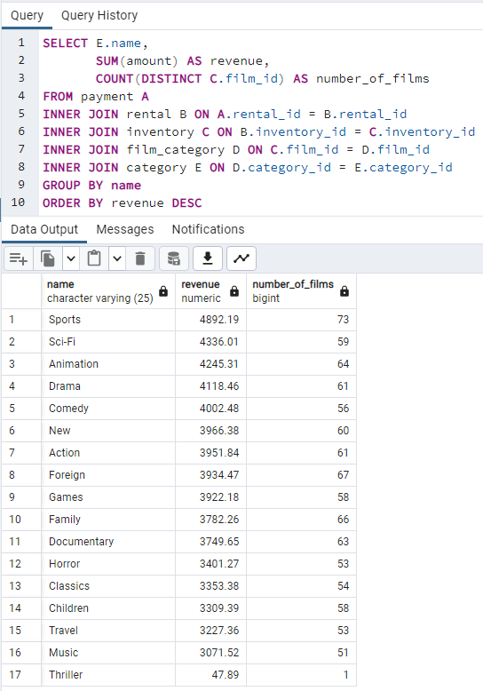
 |  | name | revenue | number_of_films
SELECT E.name, |  | Sports | $4,892.19 | 73
 | SUM(amount) AS revenue, | Sci-Fi | $4,336.01 | 59
 | COUNT(DISTINCT C.film_id) AS number_of_films | Animation | $4,245.31 | 64
FROM payment A |  | Drama | $4,118.46 | 61
INNER JOIN rental B ON A.rental_id = B.rental_id |  | Comedy | $4,002.48 | 56
INNER JOIN inventory C ON B.inventory_id = C.inventory_id |  | New | $3,966.38 | 60
INNER JOIN film_category D ON C.film_id = D.film_id |  | Action | $3,951.84 | 61
INNER JOIN category E ON D.category_id = E.category_id |  | Foreign | $3,934.47 | 67
GROUP BY name |  | Games | $3,922.18 | 58
ORDER BY revenue DESC |  | Family | $3,782.26 | 66
 |  | Documentary | $3,749.65 | 63
 |  | Horror | $3,401.27 | 53
 |  | Classics | $3,353.38 | 54
 |  | Children | $3,309.39 | 58
 |  | Travel | $3,227.36 | 53
 |  | Music | $3,071.52 | 51
 |  | Thriller | $47.89 | 1 | $2,681.84

Top Ratings
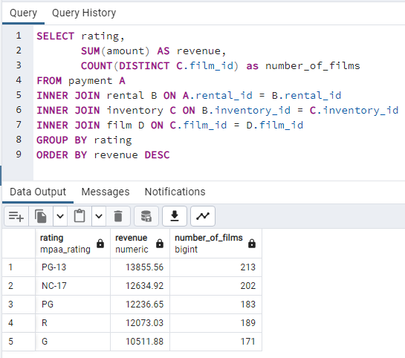
 |  | rating | revenue | number_of_films
SELECT rating, |  | PG-13 | $13,855.56 | 213
 | SUM(amount) AS revenue, | NC-17 | $12,634.92 | 202
 | COUNT(DISTINCT C.film_id) as number_of_films | PG | $12,236.65 | 183
FROM payment A |  | R | $12,073.03 | 189
INNER JOIN rental B ON A.rental_id = B.rental_id |  | G | $10,511.88 | 171
INNER JOIN inventory C ON B.inventory_id = C.inventory_id
INNER JOIN film D ON C.film_id = D.film_id
GROUP BY rating
ORDER BY revenue DESC

